Design Flow
1. Program Execution Flow

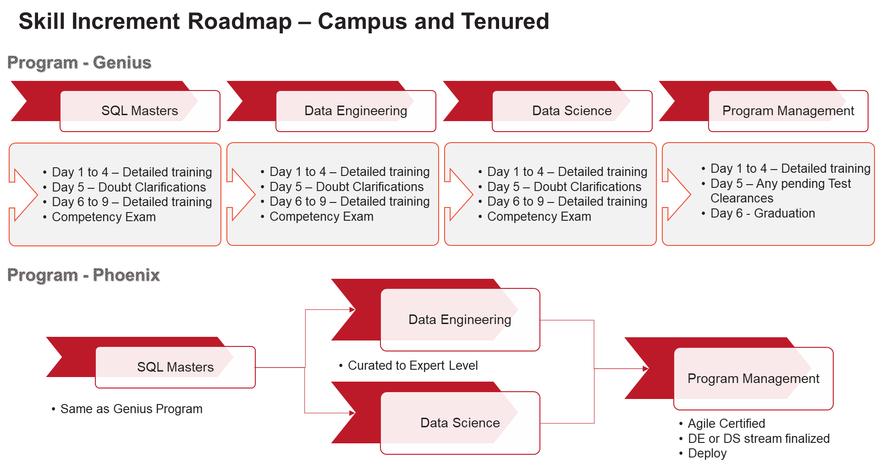

 | s

